Sheet1
epoch | batch_size | Units | dropout | learning rate | MSE | RMSE | Verbose
30 | 32 | 64 | 0.2 | 0.001 | 3963.7335 | 62.9582 | 1
32 | 30 |  | 0.2 | 0.001 | 3356.5704 | 57.9359 | 1
50 | 20 |  | 0.2 | 0.001 | 2691.1476 | 51.8763 | 1
70 | 20 |  | 0.2 | 0.001 | 1208.8797 | 34.7689 | 1
70 | 50 |  | 0.2 | 0.001 | 3695.5437 | 60.791 | 1
70 | 60 |  | 0.2 | 0.001 | 3863.7939 | 62.1594 | 1
70 | 10 |  | 0.2 | 0.001 | 774.9786 | 27.8384 | 1
90 | 20 |  | 0.2 | 0.001 | 879.716 | 29.66 | 1
90 | 10 |  | 0.2 | 0.001 | 908.5499 | 30.1422 | 1
120 | 20 |  | 0.2 | 0.001 | 916.3198 | 30.2708 | 1
120 | 10 |  | 0.2 | 0.001 | 753.5707 | 27.4512 | 1
150 | 10 |  | 0.2 | 0.001 | 678.8505 | 26.0548 | 1
150 | 40 |  | 0.2 | 0.001 | 1037.4405 | 32.2093 | 1
150 | 40 |  | 0.2 | 0.001 | 984.4591 | 31.3761 | 5

90 | 20 |  | 0.2 | 0.01 | 645 | 25 | 1 | 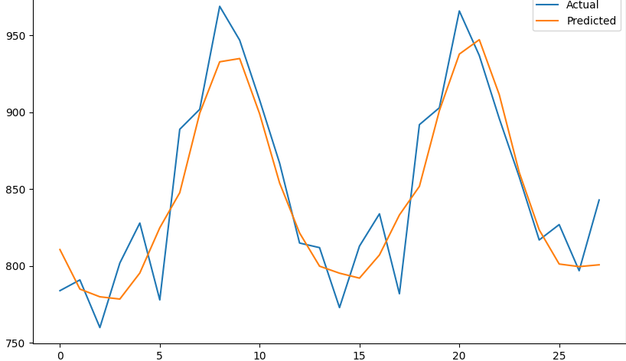
90 | 20 |  | 0.8 | 0.01 | 848 | 29 | 1
90 | 20 |  | 0.8 | 0.0001 | 4086 | 63 | 1
90 | 20 |  | 0.2 | 0.0001 | 4361 | 66 | 1 | 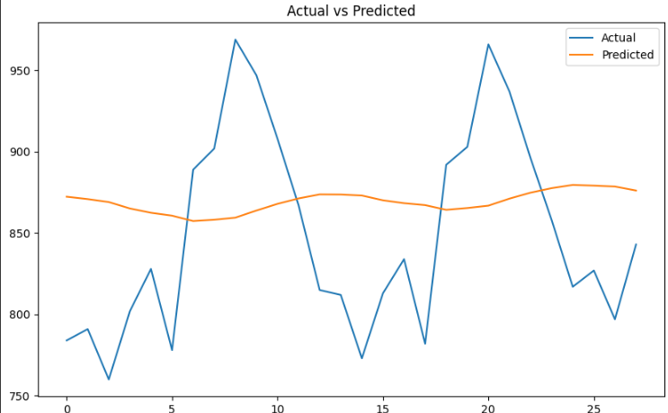
90 | 20 |  | 0.2 | 0.1 | 3550 | 59 | 1
90 | 20 |  | 0.8 | 0.1 | 2931 | 54 | 1 | 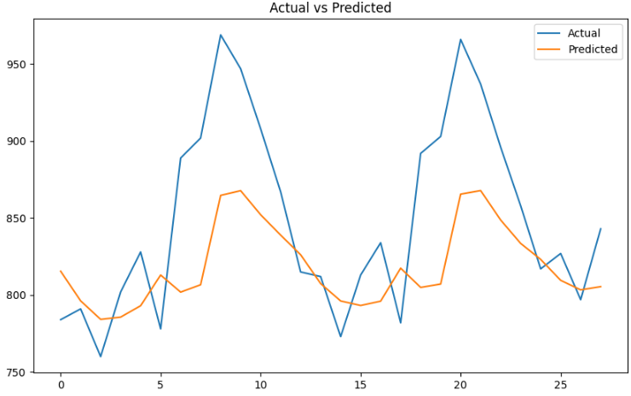
90 | 20 | 128 | 0.8 | 0.1 | 3494 | 59 | 1 | 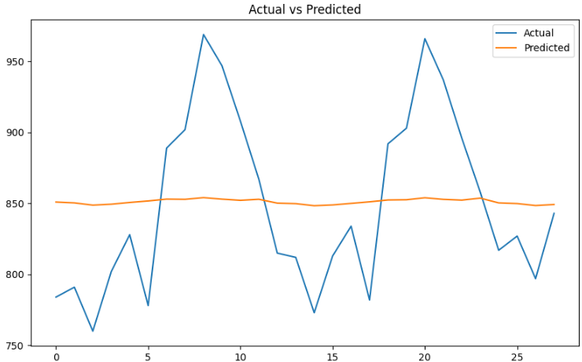
90 | 20 | 128 | 0.8 | 0.01 | 750 | 27 | 1
90 | 20 | 128 | 0.2 | 0.01 | 246 | 15 | 1 | 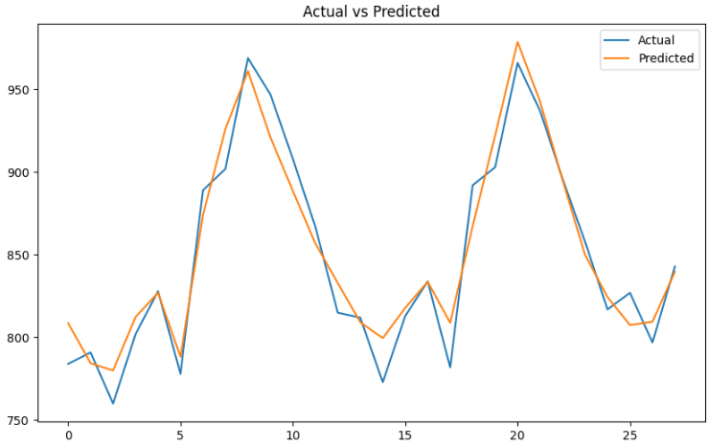 | 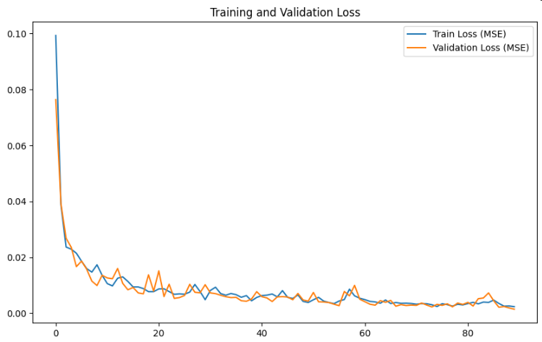
90 | 20 | 128 | 0.2 | 0.001 | 1050 | 32 | 1
90 | 20 | 128 | 0.8 | 0.001 | 2083 | 45 | 1
150 | 20 | 128 | 0.2 | 0.01 | 158.246 | 12.57 | 1 | 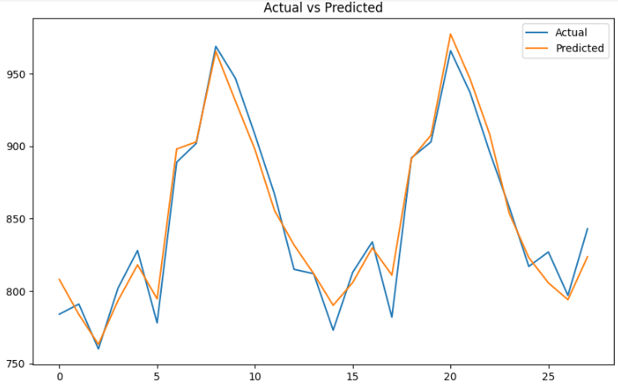 | 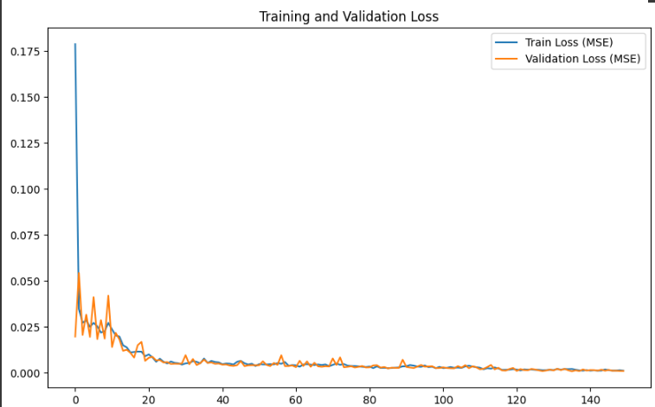
150 | 40 | 128 | 0.2 | 0.01 | 550 | 23 | 1
150 | 10 | 128 | 0.2 | 0.01 | 187 | 13 | 1

